DASHBOARD
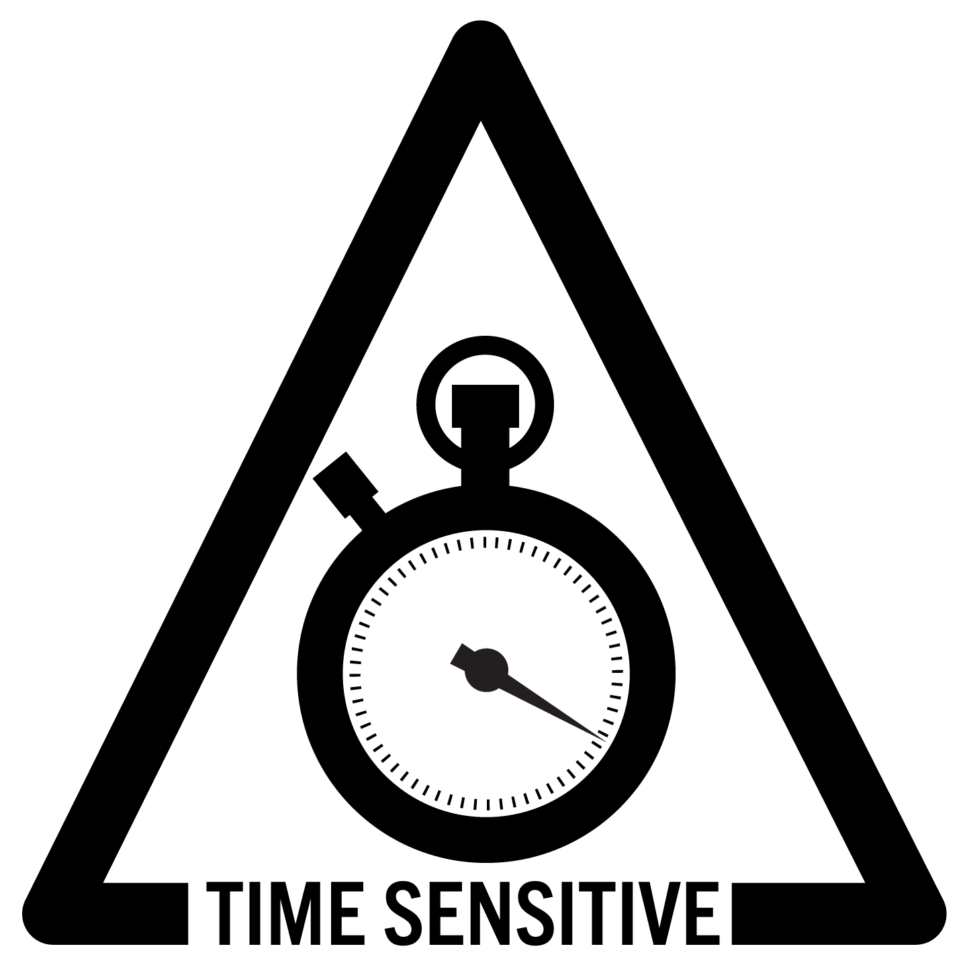
FILE CONSTRUCTION STATUS
GAP ANALYSIS STATUS
WRITTEN DIRECTIVES
0.0%
 |  |  |  |  |  |  |  |  |  |  | FILE
 |  |  |  |  |  |  | 23 |  | 0
 |  |  |  |  |  |  | 0 |  | 0
 |  |  |  |  |  |  | 0 |  | 0 |  |  | TOTAL | 167
 |  |  |  |  |  |  | 0 |  | 0 |  |  | IN THE FILE | 0 | 0.0%
 |  |  |  |  |  |  |  |  | 0 |  |  | PENDING | 167

 |  |  |  |  |  |  | STANDARDS
 |  |  |  |  |  |  | 23 | 0 | 0
 |  |  |  |  |  |  | 100.0% | 0.0% | 0.0%

 |  |  |  |  |  |  | TOTALS

 | 167 |  | 0 |  | 0 |  | 167 |  |  |  |  |  |  |  |  | YR 1 |  |  | YR 2 |  |  | YR 3 |  |  | YR 4
 | 100.0% |  | 0.0% |  | 0.0% |  | 100.0% |  |  |  |  |  |  |  | TOTAL | 167 |  | TOTAL | 167 |  | TOTAL | 167 |  | TOTAL | 167
 |  |  |  |  |  |  |  |  |  |  |  |  |  |  | PENDING | 167 |  | PENDING | 167 |  | PENDING | 167 |  | PENDING | 167
 |  |  |  |  |  |  |  |  |  |  |  |  |  |  | ASSIGNED | 0 |  | ASSIGNED | 0 |  | ASSIGNED | 0 |  | ASSIGNED | 0
 |  |  |  |  |  |  |  |  |  |  |  |  |  |  | RECEIVED | 0 |  | RECEIVED | 0 |  | RECEIVED | 0 |  | RECEIVED | 0
 | [0] | [1] | [2] | [3] | [4] | [5] | [6] | [7] | [8] |  |  |  |  |  | IN THE FILE | 0 | 0.0% | IN THE FILE | 0 | 0.0% | IN THE FILE | 0 | 0.0% | IN THE FILE | 0 | 0.0%
YEAR 1 PROOFS
0.0%
YEAR 2 PROOFS
0.0%
23 | PENDING Review | NEW needed | REVISION needed | DRAFT DONE | NOT REQUIRED | COMPLIANT | N/A by Function | ELECTED 25% | WAIVER Granted | TOTALS
ALL | 167 | 0 | 0 | 0 | 0 | 0 | 0 | 0 | 0 | 167
167 | 100% | 0% | 0% | 0% | 0% | 0% | 0% | 0% | 0% | 100%

Chapter 1 | 11 | 0 | 0 | 0 | 0 | 0 | 0 | 0 | 0 | 11
11 | 100% | 0% | 0% | 0% | 0% | 0% | 0% | 0% | 0% | 100%

Chapter 2 | 14 | 0 | 0 | 0 | 0 | 0 | 0 | 0 | 0 | 14
14 | 100% | 0% | 0% | 0% | 0% | 0% | 0% | 0% | 0% | 100%

Chapter 3 | 8 | 0 | 0 | 0 | 0 | 0 | 0 | 0 | 0 | 8
8 | 100% | 0% | 0% | 0% | 0% | 0% | 0% | 0% | 0% | 100%

Chapter 4 | 4 | 0 | 0 | 0 | 0 | 0 | 0 | 0 | 0 | 4
4 | 100% | 0% | 0% | 0% | 0% | 0% | 0% | 0% | 0% | 100%

Chapter 5 | 8 | 0 | 0 | 0 | 0 | 0 | 0 | 0 | 0 | 8
8 | 100% | 0% | 0% | 0% | 0% | 0% | 0% | 0% | 0% | 100%

Chapter 6 | 12 | 0 | 0 | 0 | 0 | 0 | 0 | 0 | 0 | 12
12 | 100% | 0% | 0% | 0% | 0% | 0% | 0% | 0% | 0% | 100%

YEAR 3 PROOFS
0.0%
YEAR 4 PROOFS
0.0%
Chapter 7 | 4 | 0 | 0 | 0 | 0 | 0 | 0 | 0 | 0 | 4
4 | 100% | 0% | 0% | 0% | 0% | 0% | 0% | 0% | 0% | 100%

Chapter 8 | 12 | 0 | 0 | 0 | 0 | 0 | 0 | 0 | 0 | 12
12 | 100% | 0% | 0% | 0% | 0% | 0% | 0% | 0% | 0% | 100%

Chapter 9 | 4 | 0 | 0 | 0 | 0 | 0 | 0 | 0 | 0 | 4
4 | 100% | 0% | 0% | 0% | 0% | 0% | 0% | 0% | 0% | 100%

Chapter 10 | 3 | 0 | 0 | 0 | 0 | 0 | 0 | 0 | 0 | 3
3 | 100% | 0% | 0% | 0% | 0% | 0% | 0% | 0% | 0% | 100%

Chapter 11 | 4 | 0 | 0 | 0 | 0 | 0 | 0 | 0 | 0 | 4
4 | 100% | 0% | 0% | 0% | 0% | 0% | 0% | 0% | 0% | 100%

Chapter 12 | 7 | 0 | 0 | 0 | 0 | 0 | 0 | 0 | 0 | 7
7 | 100% | 0% | 0% | 0% | 0% | 0% | 0% | 0% | 0% | 100%

Chapter 13 | 2 | 0 | 0 | 0 | 0 | 0 | 0 | 0 | 0 | 2
2 | 100% | 0% | 0% | 0% | 0% | 0% | 0% | 0% | 0% | 100%

Chapter 14 | 4 | 0 | 0 | 0 | 0 | 0 | 0 | 0 | 0 | 4
4 | 100% | 0% | 0% | 0% | 0% | 0% | 0% | 0% | 0% | 100%

Chapter 15 | 21 | 0 | 0 | 0 | 0 | 0 | 0 | 0 | 0 | 21
21 | 100% | 0% | 0% | 0% | 0% | 0% | 0% | 0% | 0% | 100%

Chapter 16 | 3 | 0 | 0 | 0 | 0 | 0 | 0 | 0 | 0 | 3
3 | 100% | 0% | 0% | 0% | 0% | 0% | 0% | 0% | 0% | 100%

Chapter 17 | 3 | 0 | 0 | 0 | 0 | 0 | 0 | 0 | 0 | 3
3 | 100% | 0% | 0% | 0% | 0% | 0% | 0% | 0% | 0% | 100%

Chapter 18 | 7 | 0 | 0 | 0 | 0 | 0 | 0 | 0 | 0 | 7
7 | 100% | 0% | 0% | 0% | 0% | 0% | 0% | 0% | 0% | 100%

Chapter 19 | 5 | 0 | 0 | 0 | 0 | 0 | 0 | 0 | 0 | 5
5 | 100% | 0% | 0% | 0% | 0% | 0% | 0% | 0% | 0% | 100%

Chapter 20 | 10 | 0 | 0 | 0 | 0 | 0 | 0 | 0 | 0 | 10
10 | 100% | 0% | 0% | 0% | 0% | 0% | 0% | 0% | 0% | 100%

Chapter 21 | 3 | 0 | 0 | 0 | 0 | 0 | 0 | 0 | 0 | 3
3 | 100% | 0% | 0% | 0% | 0% | 0% | 0% | 0% | 0% | 100%

Chapter 22 | 7 | 0 | 0 | 0 | 0 | 0 | 0 | 0 | 0 | 7
7 | 100% | 0% | 0% | 0% | 0% | 0% | 0% | 0% | 0% | 100%

Chapter 23 | 11 | 0 | 0 | 0 | 0 | 0 | 0 | 0 | 0 | 11
11 | 100% | 0% | 0% | 0% | 0% | 0% | 0% | 0% | 0% | 100%

